Sheet1
id | Count | Total Color Count Gene | Color Nodes Gene | Num Edges Neighboring Black Gene | Uncolored Neighbor Count Gene | Node Degree Gene
0 | AVERAGE | 0.41354847736 | 0.766427226 | 0.10733132457 | 0.33662574513 | 0.64352475657 | 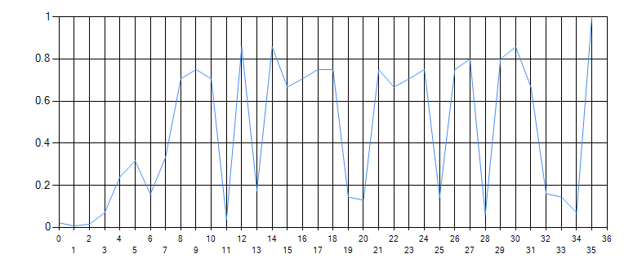 | 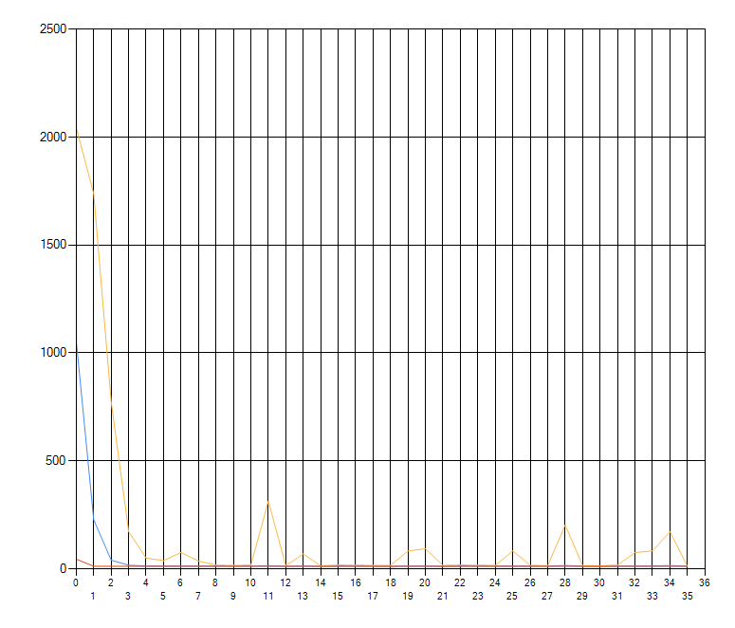
1 | 12 | 0.841 | 1 | 0.194 | 0.827 | 0.539
2 | 12 | 0.34 | 0.487 | 0.039 | 0.094 | 1
3 | 12 | 0.107 | 1 | 0.086 | 0.773 | 0.508
4 | 12 | 0.443 | 1 | 0.102 | 0.155 | 0.3
5 | 12 | 0.473 | 0.767 | 0.131 | 1 | 0.218
6 | 12 | 0.229 | 1 | 0.087 | 0.339 | 0.355
7 | 12 | 0.719 | 0.963 | 0.211 | 1 | 0.287
8 | 12 | 0.398 | 1 | 0.07 | 0.446 | 0.192
9 | 12 | 0.233 | 1 | 0.13 | 0.14 | 0.35
10 | 12 | 0.423 | 1 | 0.209 | 0.363 | 0.252
11 | 12 | 1 | 0.443 | 0.033 | 0.235 | 0.907
12 | 12 | 0.231 | 1 | 0.062 | 0.139 | 0.138
13 | 12 | 0.265 | 1 | 0.227 | 0.226 | 0.353
14 | 12 | 0.714 | 0.427 | 0.141 | 0.183 | 1
15 | 12 | 0.518 | 0.475 | 0.088 | 0.148 | 1
16 | 12 | 0.308 | 0.306 | 0.096 | 0.111 | 1
17 | 12 | 0.225 | 0.361 | 0.077 | 0.082 | 1 | 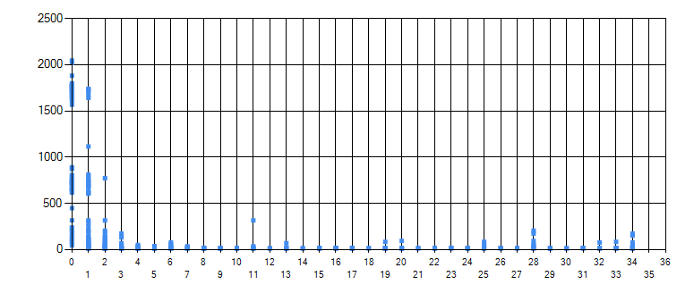
18 | 12 | 0.619 | 1 | 0.213 | 0.949 | 0.748
19 | 12 | 1 | 0.826 | 0.207 | 0.209 | 0.453
20 | 12 | 0.643 | 0.874 | 0.215 | 1 | 0.272
21 | 12 | 0.894 | 1 | 0.228 | 0.321 | 0.436
22 | 12 | 0.43 | 0.568 | 0.144 | 1 | 0.275
23 | 12 | 0.787 | 1 | 0.237 | 0.422 | 0.291
24 | 12 | 0.688 | 1 | 0.227 | 0.268 | 0.73
25 | 12 | 0.71 | 1 | 0.238 | 0.601 | 0.37
26 | 12 | 0.39 | 0.608 | 0.191 | 0.555 | 1
27 | 12 | 0.733 | 0.814 | 0.228 | 0.774 | 1
28 | 12 | 0.661 | 1 | 0.279 | 0.375 | 0.65
29 | 12 | 0.371 | 0.45 | 0.095 | 0.224 | 1
30 | 12 | 0.263 | 0.249 | 0.066 | 0.123 | 1
31 | 12 | 0.233 | 0.262 | 0.083 | 0.124 | 1
32 | 12 | 1 | 0.963 | 0.137 | 0.774 | 0.673
33 | 12 | 0.777 | 1 | 0.072 | 0.148 | 0.267
34 | 12 | 1 | 0.874 | 0.135 | 0.867 | 0.219 |  | 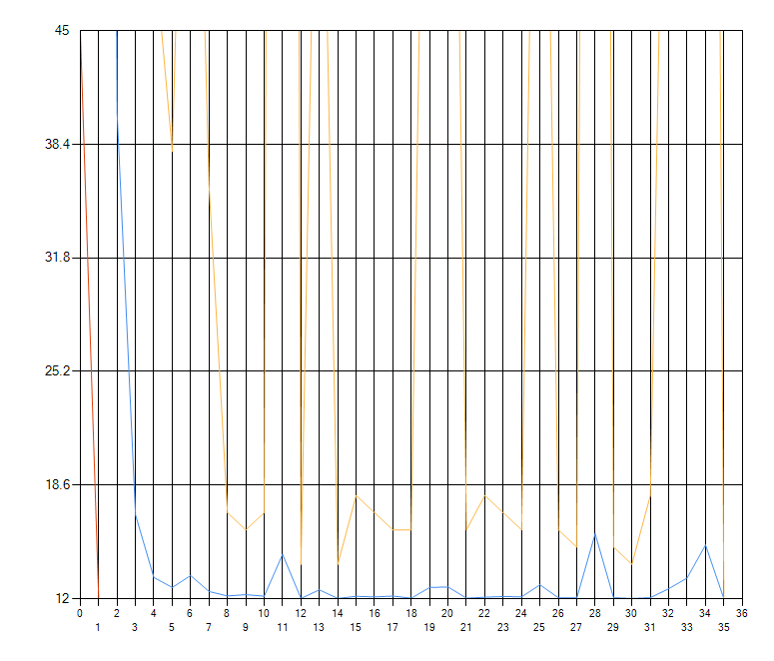
35 | 12 | 0.985 | 1 | 0.114 | 0.291 | 0.266 | 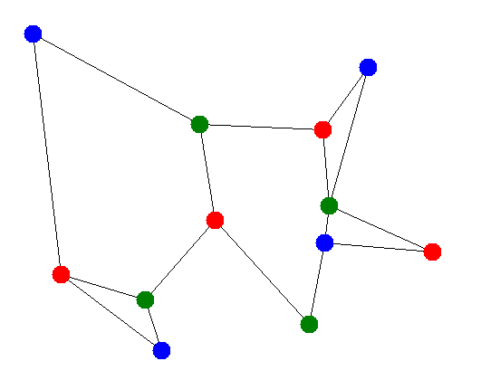
36 | 12 | 0.928 | 1 | 0.093 | 0.7 | 0.266
37 | 12 | 0.807 | 1 | 0.106 | 0.286 | 0.231
38 | 12 | 1 | 0.94 | 0.108 | 0.17 | 0.352
39 | 12 | 0.777 | 1 | 0.082 | 0.434 | 0.216
40 | 12 | 0.519 | 0.531 | 0.056 | 0.227 | 1
41 | 12 | 1 | 0.959 | 0.107 | 0.533 | 0.664
42 | 12 | 0.91 | 1 | 0.084 | 0.189 | 0.411
43 | 12 | 0.722 | 0.802 | 0.069 | 0.267 | 1
44 | 12 | 0.5 | 0.486 | 0.049 | 0.146 | 1
45 | 12 | 0.331 | 0.307 | 0.039 | 0.098 | 1
46 | 12 | 0.104 | 1 | 0.075 | 0.129 | 0.213
47 | 12 | 0.106 | 1 | 0.089 | 0.535 | 0.166
48 | 12 | 0.091 | 1 | 0.101 | 0.242 | 0.22
49 | 12 | 0.073 | 1 | 0.079 | 0.699 | 0.152
50 | 12 | 0.078 | 1 | 0.079 | 0.212 | 0.16
51 | 12 | 0.141 | 1 | 0.079 | 0.26 | 0.419
52 | 12 | 0.134 | 1 | 0.109 | 0.319 | 0.324
53 | 12 | 0.076 | 0.539 | 0.072 | 0.297 | 1
54 | 12 | 0.085 | 1 | 0.073 | 0.5 | 0.547
55 | 12 | 0.091 | 1 | 0.077 | 0.239 | 0.391
56 | 12 | 0.092 | 0.858 | 0.102 | 0.355 | 1
57 | 12 | 0.06 | 0.722 | 0.044 | 0.14 | 1 | 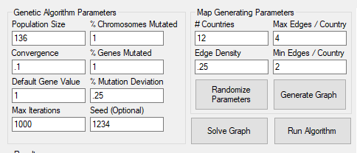
58 | 12 | 0.051 | 0.51 | 0.043 | 0.162 | 1
59 | 12 | 0.446 | 1 | 0.125 | 0.857 | 0.18
60 | 12 | 0.428 | 1 | 0.127 | 0.317 | 0.343
61 | 12 | 0.613 | 1 | 0.1 | 0.918 | 0.279
62 | 12 | 0.453 | 1 | 0.126 | 0.282 | 0.195
63 | 12 | 0.632 | 1 | 0.158 | 0.301 | 0.59
64 | 12 | 0.45 | 1 | 0.106 | 0.341 | 0.264
65 | 12 | 0.308 | 0.653 | 0.067 | 0.442 | 1
66 | 12 | 0.519 | 1 | 0.124 | 0.44 | 0.529
67 | 12 | 0.447 | 1 | 0.155 | 0.261 | 0.702
68 | 12 | 0.334 | 0.595 | 0.086 | 0.267 | 1
69 | 12 | 0.168 | 0.509 | 0.058 | 0.169 | 1
70 | 12 | 0.183 | 0.368 | 0.057 | 0.144 | 1
71 | 12 | 0.554 | 1 | 0.205 | 0.294 | 0.391
72 | 12 | 0.396 | 0.756 | 0.108 | 1 | 0.209
73 | 12 | 0.449 | 1 | 0.187 | 0.431 | 0.219
74 | 12 | 0.373 | 1 | 0.142 | 0.267 | 0.663
75 | 12 | 0.537 | 1 | 0.173 | 0.564 | 0.456
76 | 12 | 0.207 | 0.406 | 0.064 | 0.364 | 1
77 | 12 | 0.361 | 1 | 0.138 | 0.637 | 0.843
78 | 12 | 0.57 | 1 | 0.163 | 0.356 | 0.739
79 | 12 | 0.17 | 0.418 | 0.059 | 0.172 | 1
80 | 12 | 0.12 | 0.309 | 0.054 | 0.114 | 1
81 | 12 | 0.153 | 0.228 | 0.04 | 0.1 | 1
82 | 12 | 0.223 | 0.831 | 0.091 | 1 | 0.253
83 | 12 | 0.159 | 1 | 0.061 | 0.372 | 0.184
84 | 12 | 0.227 | 1 | 0.101 | 0.249 | 0.63
85 | 12 | 0.155 | 1 | 0.072 | 0.524 | 0.388
86 | 12 | 0.12 | 0.703 | 0.054 | 0.365 | 1
87 | 12 | 0.156 | 1 | 0.07 | 0.643 | 0.837
88 | 12 | 0.244 | 1 | 0.089 | 0.327 | 0.923
89 | 12 | 0.073 | 0.435 | 0.028 | 0.21 | 1
90 | 12 | 0.066 | 0.282 | 0.036 | 0.168 | 1
91 | 12 | 0.043 | 0.177 | 0.025 | 0.105 | 1
92 | 12 | 0.391 | 1 | 0.159 | 0.205 | 0.16
93 | 12 | 0.456 | 1 | 0.187 | 0.148 | 0.415
94 | 12 | 0.611 | 1 | 0.185 | 0.446 | 0.242
95 | 12 | 0.359 | 0.762 | 0.086 | 0.279 | 1
96 | 12 | 0.448 | 1 | 0.147 | 0.57 | 0.441
97 | 12 | 0.511 | 1 | 0.115 | 0.195 | 0.282
98 | 12 | 0.397 | 0.673 | 0.138 | 0.27 | 1
99 | 12 | 0.213 | 0.586 | 0.079 | 0.12 | 1
100 | 12 | 0.243 | 0.382 | 0.059 | 0.081 | 1
101 | 12 | 0.604 | 1 | 0.097 | 0.323 | 0.749
102 | 12 | 0.383 | 1 | 0.09 | 0.471 | 0.31
103 | 12 | 0.272 | 0.427 | 0.053 | 0.372 | 1
104 | 12 | 0.606 | 1 | 0.081 | 0.727 | 0.863
105 | 12 | 0.733 | 1 | 0.103 | 0.348 | 0.525
106 | 12 | 0.324 | 0.499 | 0.051 | 0.266 | 1
107 | 12 | 0.258 | 0.347 | 0.044 | 0.178 | 1
108 | 12 | 0.19 | 0.306 | 0.024 | 0.128 | 1
109 | 12 | 0.196 | 1 | 0.138 | 0.239 | 0.195
110 | 12 | 0.211 | 0.745 | 0.149 | 0.434 | 1
111 | 12 | 0.282 | 1 | 0.144 | 0.372 | 0.553
112 | 12 | 0.328 | 1 | 0.15 | 0.246 | 0.488
113 | 12 | 0.273 | 0.696 | 0.12 | 0.205 | 1
114 | 12 | 0.126 | 0.52 | 0.067 | 0.128 | 1
115 | 12 | 0.118 | 0.353 | 0.064 | 0.107 | 1
116 | 12 | 0.159 | 0.516 | 0.14 | 0.314 | 1
117 | 12 | 0.334 | 1 | 0.232 | 0.594 | 0.697
118 | 12 | 0.321 | 1 | 0.15 | 0.196 | 0.391
119 | 12 | 0.324 | 0.741 | 0.14 | 0.281 | 1
120 | 12 | 0.121 | 0.517 | 0.087 | 0.102 | 1
121 | 12 | 0.112 | 0.371 | 0.097 | 0.112 | 1
122 | 12 | 1 | 0.411 | 0.026 | 0.248 | 0.271
123 | 12 | 1 | 0.606 | 0.038 | 0.141 | 0.266
124 | 12 | 1 | 0.435 | 0.035 | 0.191 | 0.594
125 | 12 | 1 | 0.363 | 0.03 | 0.091 | 0.961
126 | 12 | 0.845 | 0.403 | 0.022 | 0.152 | 1
127 | 12 | 0.157 | 1 | 0.049 | 0.064 | 0.151
128 | 12 | 0.129 | 1 | 0.036 | 0.084 | 0.398
129 | 12 | 0.121 | 1 | 0.045 | 0.051 | 0.414
130 | 12 | 0.133 | 1 | 0.039 | 0.061 | 0.558
131 | 12 | 0.371 | 0.887 | 0.297 | 0.227 | 1
132 | 12 | 0.168 | 0.393 | 0.088 | 0.096 | 1
133 | 12 | 0.121 | 0.4 | 0.082 | 0.081 | 1
134 | 12 | 0.795 | 0.29 | 0.122 | 0.165 | 1
135 | 12 | 0.553 | 0.21 | 0.073 | 0.125 | 1
136 | 12 | 0.279 | 0.35 | 0.082 | 0.122 | 1

